Validation of DEGs
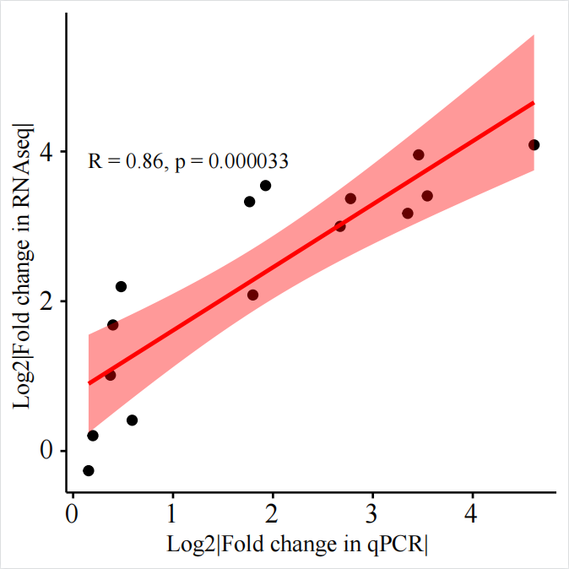
Gene | gene description | ORGAN | Primers | Compared | Fold change in qPCR | Fold change in DGE | Log2|Fold change in qPCR| | Log2|Fold change in RNAseq| | R | R^2
pglyrp6 | peptidoglycan recognition protein 6 [Source:ZFIN;Acc:ZDB-GENE-071227-2] | GUT | F:5'-AACTCTATTGGCTACGGCG-3' | 50SBM VS FM | 6.8542 | 10.3439 | 2.7769802322 | 3.370705285 | 0.86278029156 | 0.7443898315
 |  | GUT | R:5'-TGTTTCCAGGACACTCGGT-3' | SN35 VS FM | 1.1470 | 1.1528 | 0.19789109743 | 0.20514629062
 |  | GUT |  | SN35 VS 50SBM | 10.1894 | 9.0224 | 3.3489950312 | 3.1735040925

CYP51 | cytochrome P450, family 51 [Source:NCBI gene;Acc:414331] | GUT | F:5'-AAGTTTGCTTACATCCCGTTTGG-3' | SN35 VS 50SBM | 3.4018 | 10.0526 | 1.7662881098 | 3.3294904193
 |  | GUT | R:5'-GATGGTCTTGATCTGGACGTAGG-3' | SN35 VS FM

MPX | myeloid-specific peroxidase [Source:ZFIN;Acc:ZDB-GENE-030131-9460] | GUT | F:5'-CTACATGGCACAAACGCTGAG-3' | 50SBM VS FM | 10.9885 | 15.5095 | 3.4579170723 | 3.955079803
 |  | GUT | R:5'-3'CTCGTCTTGAGTGAGCAGGTT

CYP7A1 | cytochrome P450, family 7, subfamily A, polypeptide 1 [Source:ZFIN;Acc:ZDB-GENE-040426-1296] | GUT | F:5'-GCAGGCGTGCCAATGTG-3' | 50SBM VS FM | 3.4798 | 4.2392 | 1.9261899936 | 3.5447326559
 |  | GUT | R:5'-CAGCTCGTTGAAGGTAGATAGTGTGT-3'

SIVA1 | SIVA1, apoptosis-inducing factor [Source:ZFIN;Acc:ZDB-GENE-050506-57] | GUT | F:5'-CCGCTACCGACAGGAGATCTACGA-3' | 50SBM VS FM | 24.4798 | 16.9997 | 1.7990221777 | 2.083788346
 |  | GUT | R:5'-GGTGTGGAGCGCGCTCTGTGCAGT-3'

GCK | glucokinase (hexokinase 4) [Source:ZFIN;Acc:ZDB-GENE-060825-204] | GUT | F:5'-GCTGTGAAGTCGGCATGATA-3' | SN35 VS 50SBM | 6.3753 | 8.0004 | 4.6135182727 | 4.0874367997
 |  | GUT | R:5'-CTTCAACCAGCTCCACCTTAC-3' | SN35 VS FM | 11.6711 | 10.6065 | 2.6725044717 | 3.0000736576
 |  | GUT |  | 50SBM VS FM | 1.5060 | 1.3292 | 3.5448659138 | 3.4068737722

CORO1A | coronin, actin binding protein, 1A [Source:ZFIN;Acc:ZDB-GENE-030131-9512] | GUT | F:5'-TGTGATGACTGTGCCTCGTAAG-3' | SN35 VS FM | 1.2950 | 2.0178 | 0.59072864455 | 0.410574954
 |  | GUT | R:5'-AATCATCCGCCTCCACTGAT-3' | SN35 VS 50SBM | 1.4420 | 9.3249 | 0.37290265677 | 1.0127555178
 |  |  |  | 50SBM VS FM | 1.3951 | 4.5789

DAD1 | defender against cell death 1 [Source:ZFIN;Acc:ZDB-GENE-060503-233] | GUT | F:5'-GCTGTGTGTCTTCGCATCCA-3' | SN35 VS FM | 1.3179 | 3.2119 | 0.48040105839 | 2.195006914
 |  | GUT | R:5'-ACAGTGTGAGCAAAAAGGAAATCA-3' | 50SBM VS FM | 1.1131 | 0.8333 | 0.39824090526 | 1.6834214746
 |  |  |  | SN35 VS 50SBM | 1.1840 | 2.7018 | 0.15453620535 | -0.263071012

