Study Design Guideline
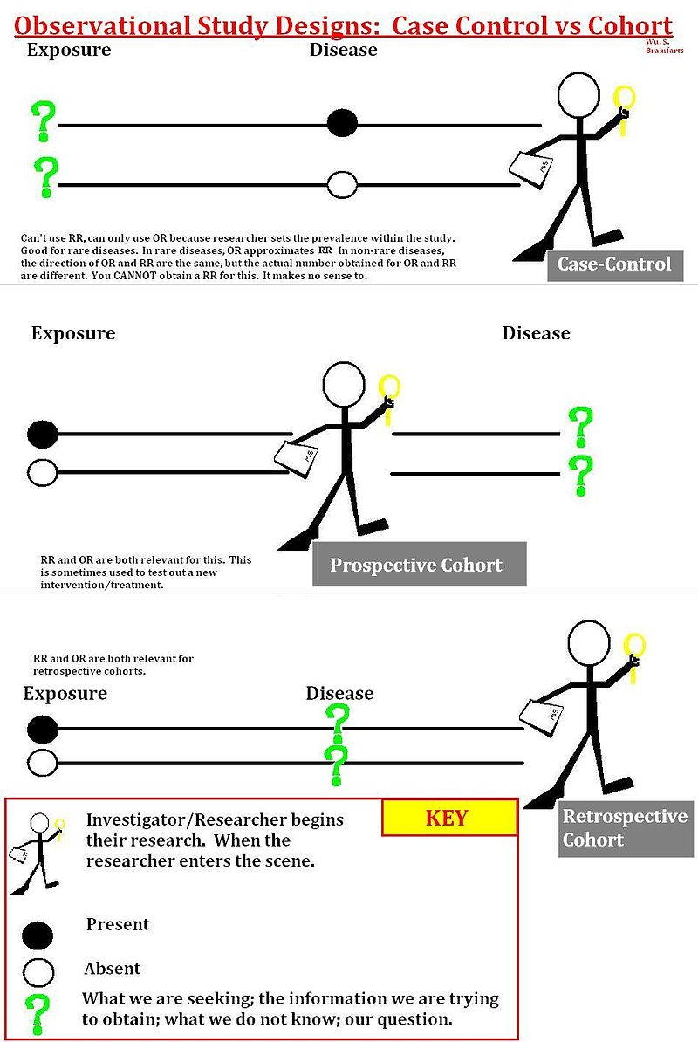
Study design (in descending order of level of evidence) | Descriptor
Blinded randomized control trial or experiment (prospective) | A blinded randomized control trial (RCT) is one in which cases are allocated at random to receive one of several clinical interventions. One of these interventions is the standard of comparison or control. The control may be a standard practice, a placebo, or no intervention at all. RCTs seek to measure and compare the outcomes after the participants receive the interventions. Since the outcomes are measured, RCTs are quantitative studies. In sum, RCTs are quantitative, comparative, controlled experiments (i.e. prospective in nature) in which investigators study two or more interventions in a series of individuals who receive them in random order.
Unblinded, or unrandomized, control trial or experiment (prospective) | As above, but not blinded - i.e. the investigators know which is the experimental and which is the control group.
Prospective cohort study | A cohort study is a quasi-experiment in the form of a longitudinal study (generally a type of observational study). In a cohort study there is a passive follow-up of a group of animals and documentation of relevant characteristics or events related to this group; note that inclusion of information on survival defines a cohort study for our purposes. A cohort study involves an analysis of risk factors and follows a group of animals that do not have the disease, using correlations to determine the absolute risk of developing disease. Cohort studies are largely about the life histories of segments of populations, and the individual animals within these segments. A cohort is a group of animals sharing a common characteristic or experience within a defined period. The comparison group may be the general population from which the cohort is drawn, or it may be another cohort of animals thought to have experienced little or no exposure to the factor under investigation, but otherwise similar. Alternatively, subgroups within the cohort may be compared with each other. Cohort studies may be conducted prospectively, or retrospectively from archived records.
Prospective case-control study | A case-control study is a type of observational study in which two existing groups differing in outcome (e.g. disease versus no disease) are identified and compared on the basis of some supposed causal attribute (exposure). Case-control studies are often used to identify factors that may contribute to a medical condition by comparing animals that have that condition/disease (the cases) with animals that do not have the condition/disease but are otherwise similar (the controls). Unlike cohort studies, case-control studies do not follow subjects through time. Cases are enrolled at the time they develop disease and controls are enrolled at the same time. The exposure status of each is determined, but they are not followed into the future for further development of disease. Case-control studies, like cohort studies, can be either retrospective or prospective and may be used to generate hypotheses that are tested with prospective cohort or RCT studies. They are particularly useful in the study of uncommon or rare diseases. In a prospective case-control study, the investigator still enrolls based on outcome status, but the investigator must wait for the cases to be identified.
Retrospective cohort or case-control study | See above: the study is a cohort or case-control study, but based upon archived records
Cross-sectional study | A cross-sectional study is a type of observational study that involves the analysis of data collected from a population, or a representative subset, at ONE specific point in time — that is, cross-sectional data. Cross-sectional studies differ from case-control studies in that they aim to provide data on the entire population under study, whereas case-control studies typically include only individuals with a specific characteristic, comparing them with a sample, often a tiny minority, of the rest of the population. Cross-sectional studies are descriptive studies (neither longitudinal nor experimental). Unlike case-control studies, they can be used to describe not only the odds ratio, but also absolute risks and relative risks from prevalences. They may be used to describe some feature of the population, such as prevalence of an illness, or they may support inferences of cause and effect. At one point in time the subjects are assessed to determine whether they were exposed to the relevant factor and whether they have the outcome of interest. Some of the subjects will not have been exposed nor have the outcome of interest. This clearly distinguishes this type of study from the other observational studies (cohort and case-control), in which reference to either exposure and/or outcome is made.
Retrospective case series or case report | A case series tracks subjects with a known exposure, such as animals that have received a similar treatment, or examines their medical records for exposure and outcome. Case series may be consecutive or non-consecutive, depending on whether all cases presenting to the reporting authors over a time period were included, or only a selection. Case series have a descriptive study design: unlike studies that employ an analytical design (e.g. case-control or cohort studies, or RCTs), case series do not involve hypothesis testing to look for evidence of cause and effect, but may be used to speculate on such associations. Case series are especially vulnerable to selection bias: only the presence of a comparator group, which is not a feature of case-series studies, will allow a valid estimate of true treatment effect. Case reports provide information on only a single case.

Useful resource | http://sphweb.bumc.bu.edu/otlt/MPH-Modules/EP/EP713_Case-Control/EP713_Case-Control8.html

