PE2
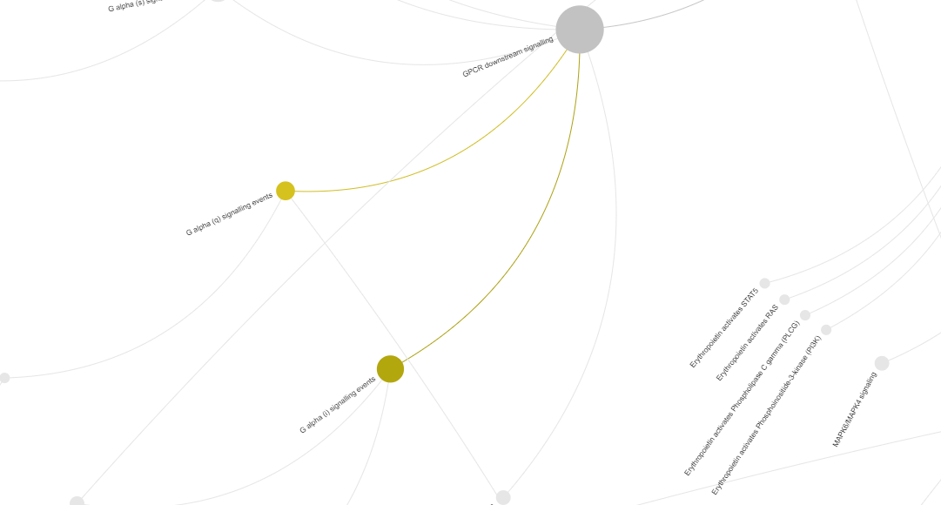
 |  |  |  |  |  |  |  |  |  |  |  |  |  |  |  |  |  |  |  |  |  |  |  |  |  |  |  |  |  |  |  |  |  |  |  |  |  |  |  |  |  |  |  |  |  | Mean value (from 5 replicates)
acc. code | protein name | gene name(s) | chromosome | proteomics | GO MOLECULAR FUNCTION | GO BIOLOGICAL PROCESS | Keywords | disease | structure | #isof. | #variants | #PTMS | mutagenesis | tissue expr. | PE | Accession | Peptide count | Unique peptides | Confidence score | Anova (p) | Max fold change | Highest mean condition | Lowest mean condition | Description | N1 | N2 | N3 | N4 | N5 | CB1 | CB2 | CB3 | CB4 | CB5 | CC1 | CC2 | CC3 | CC4 | CC5 | M1 | M2 | M3 | M4 | M5 | Anova p-value <= 0,05 | Naive | Centroblast | Centrocyte | Memory | Name
NX_O14921 | Regulator of G-protein signaling 13 | RGS13 | 1q31.2 | yes | NA | GO:0045744 | Signal transduction inhibitor | no | no | 1 | 152 | 0 | no | yes | Evidence at transcript level | O14921-1 | 1 | 1 | 43.17 | 0.00044291624913 | 370.46506196 | CENTROCYTE | MEMORY | Regulator of G-protein signaling 13 isoform Iso 1 GN=RGS13 OS=Homo Sapiens SV=282 PE=2 | 0 | 0 | 1064.6070169 | 0 | 0 | 13285.059469 | 0 | 5889.3701763 | 36144.760927 | 18243.657222 | 12725.837253 | 17699.68404 | 34217.068287 | 16816.60051 | 10894.554108 | 0 | 0 | 249.29137368 | 0 | 0 | x | 212.9214034 | 14712.569559 | 18470.74884 | 49.85827474 | RGS13-NX_O14921
 |  |  |  |  |  |  |  |  |  |  |  |  |  |  |  |  |  |  |  |  |  |  |  |  |  |  |  |  |  |  |  |  |  |  |  |  |  |  |  |  |  |  |  |  |  | N | CB | CC | M | Name

PE2 Protein

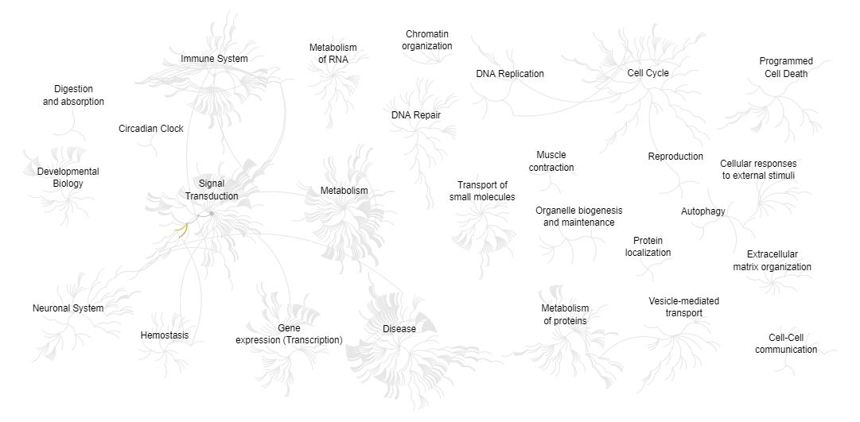

Reactome version 72 (2020-03-16)

PE5
 |  |  |  |  |  |  |  |  |  |  |  |  |  |  |  |  |  |  |  |  |  |  |  |  |  |  |  |  |  |  |  |  |  |  |  |  |  |  |  |  |  |  |  |  |  |  | Mean value (from 5 replicates)
 | acc. code | protein name | gene name(s) | chromosome | proteomics | GO MOLECULAR FUNCTION | GO BIOLOGICAL PROCESS | Keywords | disease | structure | #isof. | #variants | #PTMS | mutagenesis | tissue expr. | PE | Accession | Peptide count | Unique peptides | Confidence score | Anova (p) | Max fold change | Highest mean condition | Lowest mean condition | Description | N1 | N2 | N3 | N4 | N5 | CB1 | CB2 | CB3 | CB4 | CB5 | CC1 | CC2 | CC3 | CC4 | CC5 | M1 | M2 | M3 | M4 | M5 | Anova p-value <= 0,05 | Naive | Centroblast | Centrocyte | Memory | Name
A6NI72 | NX_A6NI72 | Putative neutrophil cytosol factor 1B | NCF1B | 7q11.23 | yes | GO:0035091; GO:0043325; GO:0016176; GO:0016175 | GO:0055114; GO:0043085; GO:0045730; GO:0006801 | Phosphatidylinositol binding | no | no | 1 | 0 | 6 | no | no | Uncertain | A6NI72-1 | 7 | 7 | 451.8 | 0.017614625428 | 5.1156977894 | CENTROCYTE | NAIVE | Putative neutrophil cytosol factor 1B isoform Iso 1 GN=NCF1B OS=Homo Sapiens SV=147 PE=5 | 78316.032895 | 53944.649412 | 964.55828488 | 7974.4857651 | 152279.53532 | 335080.94343 | 117082.85765 | 114057.68312 | 128878.22737 | 117158.6607 | 488780.91098 | 371619.73933 | 279886.27951 | 200339.27697 | 160725.00342 | 104375.90627 | 145221.17098 | 165844.78466 | 96224.077892 | 28171.96464 | x | 0 | 162451.67446 | 300270.24204 | 107967.58091 | NCF1B-NX_A6NI72
Q58FF7 | NX_Q58FF7 | Putative heat shock protein HSP 90-beta-3 | HSP90AB3P | 4q22.1 | yes | GO:0005524; GO:0097718; GO:0051082 | GO:0034605; GO:0006457; GO:0050821 | Stress response | no | no | 1 | 0 | 2 | no | no | Uncertain | Q58FF7-1 | 21 | 21 | 1242.87 | 0.0058316172198 | 3.5027735661 | CENTROBLAST | NAIVE | Putative heat shock protein HSP 90-beta-3 isoform Iso 1 GN=HSP90AB3P OS=Homo Sapiens SV=413 PE=5 | 392325.11539 | 268264.43196 | 114799.19548 | 183625.38831 | 721591.20572 | 1543362.2974 | 822159.00376 | 251379.27544 | 2284162.4252 | 985716.94708 | 932733.19111 | 990650.54664 | 905440.73857 | 1417951.3836 | 1163306.2548 | 579111.92953 | 516823.88493 | 637821.5526 | 536477.24406 | 416708.11974 | x | 336121.06738 | 1177355.9897 | 1082016.4231 | 537388.54616 | HSP90AB3P-NX_Q58FF7
Q6DN03 | NX_Q6DN03 | Putative histone H2B type 2-C | HIST2H2BC | 1q21.2 | yes | GO:0003677; GO:0046982 | GO:0006334 | DNA-binding | no | no | 1 | 0 | 47 | no | no | Uncertain | Q6DN03-1 | 1 | 1 | 39.08 | 0.014247504701 | 55.438531998 | CENTROBLAST | NAIVE | Putative histone H2B type 2-C isoform Iso 1 GN=HIST2H2BC OS=Homo Sapiens SV=154 PE=5 | 0 | 473.24792343 | 0 | 300.81765978 | 2005.9741626 | 19496.51298 | 5059.5863334 | 110562.21668 | 15201.873008 | 3801.1333976 | 8806.084771 | 11590.320506 | 679.31065407 | 24263.533694 | 14598.033505 | 626.84073747 | 1820.6020956 | 2571.6321306 | 0 | 1467.2921622 | x | 556.00794924 | 30824.264484 | 11987.456625 | 1297.2734253 | HIST2H2BC-NX_Q6DN03
Q8IUI4 | NX_Q8IUI4 | Putative protein SNX29P2 | SNX29P2 | 16p11.2 | yes | NA | NA | Could be relation with Phosphatidylinositol binding GO:0035091 | no | no | 1 | 11 | 0 | no | no | Uncertain | Q8IUI4-1 | 2 | 2 | 86.37 | 0.012107694454 | 11.32724712 | CENTROCYTE | NAIVE | Putative protein SNX29P2 isoform Iso 1 GN=SNX29P2 OS=Homo Sapiens SV=177 PE=5 | 506.38344147 | 21.330346902 | 37494.393438 | 0 | 3565.5895276 | 15231.077323 | 10432.931718 | 12832.85418 | 34748.260557 | 25310.011655 | 72678.768325 | 36033.896628 | 51328.745518 | 20262.936903 | 39402.358029 | 6535.0904189 | 2898.418225 | 781.55803066 | 7621.6954736 | 1559.5398011 | x | 0 | 19711.027088 | 43941.34108 | 3879.2603899 | SNX29P2-NX_Q8IUI4
Q8NHW5 | NX_Q8NHW5 | 60S acidic ribosomal protein P0-like | RPLP0P6 | 2p22.1 | yes | GO:0070180; GO:0003735 | GO:0002181; GO:0000027 | Ribosomal protein | no | no | 1 | 0 | 6 | no | no | Uncertain | Q8NHW5-1 | 7 | 7 | 485.93 | 0.0031380414807 | 5.1684135543 | CENTROBLAST | NAIVE | 60S acidic ribosomal protein P0-like isoform Iso 1 GN=RPLP0P6 OS=Homo Sapiens SV=267 PE=5 | 75589.107656 | 73551.389559 | 7489.7467754 | 51296.153185 | 449921.75274 | 874674.44775 | 172780.40942 | 768432.29224 | 858530.26172 | 725613.88358 | 572649.21434 | 503825.76685 | 293688.5781 | 948918.7237 | 414743.10752 | 282281.65562 | 442365.67335 | 372064.33058 | 175033.81773 | 166387.19107 | x | 131569.62998 | 680006.25892 | 546765.0781 | 287626.53366 | RPLP0P6-NX_Q8NHW5
Q9BYX7 | NX_Q9BYX7 | Putative beta-actin-like protein 3 | POTEKP | 2q21.1 | yes | GO:0098973; GO:0098973 | GO:0098974; GO:0048488 | ATP-binding and structural constituent of postsynaptic actin cytoskeleton | no | no | 1 | 0 | 3 | no | yes | Uncertain | Q9BYX7-1 | 3 | 3 | 281.96 | 0.0040658008504 | 3.2091374654 | MEMORY | NAIVE | Putative beta-actin-like protein 3 isoform Iso 1 GN=POTEKP OS=Homo Sapiens SV=446 PE=5 | 1366273.1683 | 1517257.4754 | 280882.38722 | 857836.90522 | 8939094.9129 | 6238468.8987 | 6068660.0036 | 10606699.864 | 5786445.4049 | 4415533.4077 | 5441380.1538 | 5100622.4064 | 3166623.5822 | 8580571.6562 | 6560394.5387 | 8728783.7126 | 8388686.0876 | 10462144.568 | 9866306.1625 | 4148816.8261 | x | 0 | 6623161.5152 | 5769918.4674 | 8318947.472 | POTEKP-NX_Q9BYX7
 |  |  |  |  |  |  |  |  |  |  |  |  |  |  |  |  |  |  |  |  |  |  |  |  |  |  |  |  |  |  |  |  |  |  |  |  |  |  |  |  |  |  |  |  |  |  | N | CB | CC | M | Name

PE5 proteins

