AlamarBlue BMMSC
 | BMMSC
AlmarBlue % Reduction
Time Points | Control | Ouabain
Day 0 | 2.6396741766 | -0.24934691593
Day 0 | -2.0263155413 | -0.39769215315
Day 0 | -3.3003802148 | -1.519202251
Day 0 | 0.63966587444 | -0.40610518614
Day 0 | -1.3045794013 | -4.3629829851
Day 0 | -1.8358809962 | -1.1320368685
Day 0 | 0.075747472416 | 0.98369669669
Day 0 | -0.54076869009 | 3.2341052612
Day 0 | -1.1699213335 | 3.2530311364
Day 3 | 27.623220315 | 2.7166870962
Day 3 | 31.474962136 | 10.666410886
Day 3 | 25.712356887 | 12.090073498
Day 3 | 17.891501514 | 17.414890519
Day 3 | 18.296620572 | 14.485493926
Day 3 | 23.476698264 | 17.224243874
Day 3 | 53.032848239 | 14.076840795
Day 3 | 50.446784321 | 13.95768342
Day 3 | 55.334706397 | 12.808522495
Day 5 | 44.900604599 | 17.703145736
Day 5 | 35.105855619 | 16.607111355
Day 5 | 42.755222723 | 17.138388114
Day 5 | 49.329698366 | 25.177180813
Day 5 | 58.220473479 | 25.24942873
Day 5 | 57.831927515 | 28.043271832
Day 5 | 81.191476449 | 25.723443073
Day 5 | 73.242553174 | 27.765739001
Day 5 | 81.638180476 | 28.014200941
Day 7 | 55.013288559 | 21.681483315
Day 7 | 57.359552158 | 23.406351035
Day 7 | 55.572437181 | 20.962287774
Day 7 | 52.279758258 | 30.785978278
Day 7 | 49.977945545 | 31.83315805
Day 7 | 30.867981455 | 32.086064302
Day 7 | 60.134567675 | 50.1834399
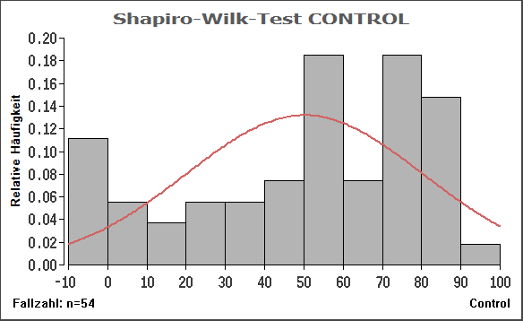
Day 7 | 74.90468735 | 49.388173899
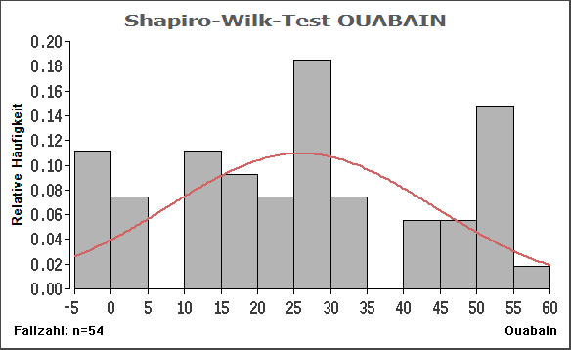
Day 7 | 63.4825665 | 43.860865432
Day 10 | 89.222011644 | 31.00651396
Day 10 | 77.102917077 | 25.918315371
Day 10 | 75.610846171 | 23.717474234
Day 10 | 71.356023965 | 52.06471945
Day 10 | 79.400566285 | 49.516730669
Day 10 | 74.123214044 | 52.036898986
Day 10 | 81.768299697 | 45.288621719
Day 10 | 75.238095132 | 42.555926521
Day 10 | 86.272349459 | 42.127549146
Day 14 | 50.11174652 | 27.735658138
Day 14 | 60.860891354 | 25.868276728
Day 14 | 63.322072994 | 26.928013016
Day 14 | 73.491768696 | 56.162291238
Day 14 | 89.559921506 | 50.131205664
Day 14 | 75.559870713 | 51.464544988
Day 14 | 84.411761207 | 50.95438864
Day 14 | 91.276779284 | 52.865975563
Day 14 | 81.622023273 | 54.851646269 | Stichprobenumfang n = 54
 |  |  |  |  |  | Stichprobenumfang n = 54
 |  |  | Shapiro-Wilk's Prüfgröße W = 0.8921 ( p : approximativ wie Z(W)!! )
 |  |  | Royston's Prüfgröße Z(W) = 3.8936 ( p = 0.000049 approx. (n>= 7) ) |  |  | Shapiro-Wilk's Prüfgröße W = 0.9259 ( p : approximativ wie Z(W)!! )
 |  |  |  |  |  | Royston's Prüfgröße Z(W) = 2.7780 ( p = 0.002735 approx. (n>= 7) )

Mult.Paarvergleich | Testgröße | df | p-unkorr. | p-Bonferroni

Day0Cont...Day0Ouab | 0.6641 | 88 | 0.508386 | 2.54193 | Nonsignificant
Day0Cont...Day3Cont | 9.7396 | 88 | 0 | 0
Day0Cont...Day3Ouab | 3.3203 | 88 | 0.00131 | 0.00655
Day0Cont...Day5Cont | 15.9375 | 88 | 0 | 0
Day0Cont...Day5Ouab | 5.9766 | 88 | 0 | 0
Day0Cont...Day7Cont | 15.4948 | 88 | 0 | 0
Day0Cont...Day7Ouab | 8.8542 | 88 | 0 | 0
Day0Cont...Day10Con | 20.1433 | 88 | 0 | 0
Day0Cont...Day10Oua | 10.625 | 88 | 0 | 0
Day0Cont...Day14Con | 19.9219 | 88 | 0 | 0
Day0Cont...Day14Oua | 12.8386 | 88 | 0 | 0
Day0Ouab...Day3Cont | 9.0755 | 88 | 0 | 0
Day0Ouab...Day3Ouab | 2.6563 | 88 | 0.009381 | 0.046905
Day0Ouab...Day5Cont | 15.2735 | 88 | 0 | 0
Day0Ouab...Day5Ouab | 5.3125 | 88 | 0.000001 | 0.000005
Day0Ouab...Day7Cont | 14.8307 | 88 | 0 | 0
Day0Ouab...Day7Ouab | 8.1901 | 88 | 0 | 0
Day0Ouab...Day10Con | 19.4792 | 88 | 0 | 0
Day0Ouab...Day10Oua | 9.9609 | 88 | 0 | 0
Day0Ouab...Day14Con | 19.2578 | 88 | 0 | 0
Day0Ouab...Day14Oua | 12.1745 | 88 | 0 | 0
Day3Cont...Day3Ouab | 6.4193 | 88 | 0 | 0 | Significant
Day3Cont...Day5Cont | 6.1979 | 88 | 0 | 0
Day3Cont...Day5Ouab | 3.763 | 88 | 0.000302 | 0.00151
Day3Cont...Day7Cont | 5.7552 | 88 | 0 | 0
Day3Cont...Day7Ouab | 0.8854 | 88 | 0.378344 | 1.89172
Day3Cont...Day10Con | 10.4037 | 88 | 0 | 0
Day3Cont...Day10Oua | 0.8854 | 88 | 0.378344 | 1.89172
Day3Cont...Day14Con | 10.1823 | 88 | 0 | 0
Day3Cont...Day14Oua | 3.099 | 88 | 0.002607 | 0.013035
Day3Ouab...Day5Cont | 12.6172 | 88 | 0 | 0
Day3Ouab...Day5Ouab | 2.6563 | 88 | 0.009381 | 0.046905
Day3Ouab...Day7Cont | 12.1745 | 88 | 0 | 0
Day3Ouab...Day7Ouab | 5.5339 | 88 | 0 | 0
Day3Ouab...Day10Con | 16.8229 | 88 | 0 | 0
Day3Ouab...Day10Oua | 7.3047 | 88 | 0 | 0
Day3Ouab...Day14Con | 16.6016 | 88 | 0 | 0
Day3Ouab...Day14Oua | 9.5182 | 88 | 0 | 0
Day5Cont...Day5Ouab | 9.9609 | 88 | 0 | 0 | Significant
Day5Cont...Day7Cont | 0.4427 | 88 | 0.659063 | 3.295315
Day5Cont...Day7Ouab | 7.0833 | 88 | 0 | 0
Day5Cont...Day10Con | 4.2057 | 88 | 0.000062 | 0.00031
Day5Cont...Day10Oua | 5.3125 | 88 | 0.000001 | 0.000005
Day5Cont...Day14Con | 3.9844 | 88 | 0.000139 | 0.000695
Day5Cont...Day14Oua | 3.099 | 88 | 0.002607 | 0.013035
Day5Ouab...Day7Cont | 9.5182 | 88 | 0 | 0
Day5Ouab...Day7Ouab | 2.8776 | 88 | 0.005028 | 0.02514
Day5Ouab...Day10Con | 14.1667 | 88 | 0 | 0
Day5Ouab...Day10Oua | 4.6484 | 88 | 0.000012 | 0.00006
Day5Ouab...Day14Con | 13.9453 | 88 | 0 | 0
Day5Ouab...Day14Oua | 6.862 | 88 | 0 | 0
Day7Cont...Day7Ouab | 6.6406 | 88 | 0 | 0 | Significant
Day7Cont...Day10Con | 4.6484 | 88 | 0.000012 | 0.00006
Day7Cont...Day10Oua | 4.8698 | 88 | 0.000005 | 0.000025
Day7Cont...Day14Con | 4.4271 | 88 | 0.000027 | 0.000135
Day7Cont...Day14Oua | 2.6563 | 88 | 0.009381 | 0.046905
Day7Ouab...Day10Con | 11.2891 | 88 | 0 | 0
Day7Ouab...Day10Oua | 1.7708 | 88 | 0.080051 | 0.400255
Day7Ouab...Day14Con | 11.0677 | 88 | 0 | 0
Day7Ouab...Day14Oua | 3.9844 | 88 | 0.000139 | 0.000695
Day10Con...Day10Oua | 9.5182 | 88 | 0 | 0 | Significant
Day10Con...Day14Con | 0.2214 | 88 | 0.825329 | 4.126645
Day10Con...Day14Oua | 7.3047 | 88 | 0 | 0
Day10Oua...Day14Con | 9.2969 | 88 | 0 | 0
Day10Oua...Day14Oua | 2.2135 | 88 | 0.029446 | 0.14723
Day14Con...Day14Oua | 7.0833 | 88 | 0 | 0 | Significant

AlamarBlue Fibroblast
 |  | FIBROBLASTS
 | AlmarBlue % Reduction
 | Time Points | Control | Ouabain
 | Day 0 | 7.2446356469 | 11.132078381
 | Day 0 | 11.280414476 | 13.559223033
 | Day 0 | 11.163642569 | 13.278323613
 | Day 0 | 12.467172925 | 22.588198394
 | Day 0 | 12.84 | 18.057925303
 | Day 0 | 13.198360558 | 22.037956814
 | Day 0 | 11.136288924 | 22.707076381
 | Day 0 | 12.453495476 | 22.934327979
 | Day 0 | 9.7222914196 | 8.4713579323
 | Day 3 | 12.669947401 | 2.1606440326
 | Day 3 | 17.336334309 | 4.1253483255
 | Day 3 | 18.662907022 | 3.8746825322
 | Day 3 | 15.446656122 | 5.0821054979
 | Day 3 | 15.599353988 | 5.0256155571
 | Day 3 | 15.137743544 | 5.476627595
 | Day 3 | 16.985935854 | 4.349529412
 | Day 3 | 16.790880659 | 4.2321436108
 | Day 3 | 17.376053084 | 3.9223461662
 | Day 5 | 3.4643311257 | 7.7885770143
 | Day 5 | 3.710142618 | 6.1859283703
 | Day 5 | 4.8379022763 | 7.2555333786
 | Day 5 | 15.200940271 | 7.7665447474
 | Day 5 | 15.509305094 | 8.8158877795
 | Day 5 | 13.281989379 | 8.3163276333
 | Day 5 | 20.385097373 | 11.107533943
 | Day 5 | 18.489050503 | 11.17449252
 | Day 5 | 18.588613463 | 13.539255466
 | Day 7 | 42.754411996 | 13.830626059
 | Day 7 | 39.866772887 | 12.70935608
 | Day 7 | 37.374296172 | 12.829876837
 | Day 7 | 45.240959727 | 12.029680812
 | Day 7 | 45.798141934 | 12.128466479
 | Day 7 | 42.722798898 | 11.932867743
 | Day 7 | 35.291799011 | 16.929670895
 | Day 7 | 41.875179252 | 17.254690045
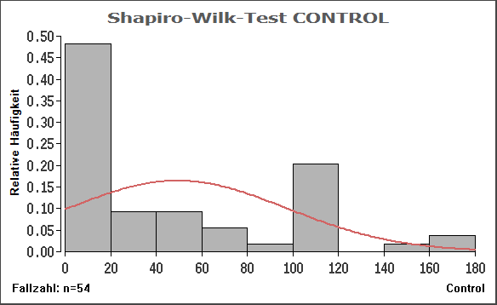
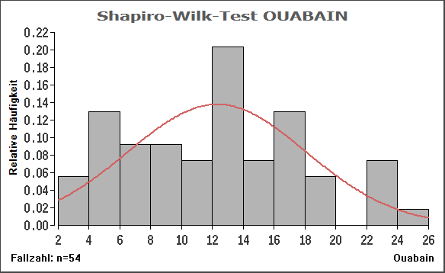
 | Day 7 | 38.339483272 | 18.214936522
 | Day 10 | 96.01703176 | 7.6439801351
 | Day 10 | 105.98202584 | 9.294054151
 | Day 10 | 111.50080959 | 8.5463502592
 | Day 10 | 105.7216516 | 12.595317017
 | Day 10 | 110.84768758 | 13.812564599
 | Day 10 | 118.43268938 | 14.059575087
 | Day 10 | 163.01587831 | 17.685740633
 | Day 10 | 167.27513532 | 16.776699075
 | Day 10 | 152.01167793 | 5.6856927999
 | Day 14 | 67.344327692 | 15.836767203
 | Day 14 | 67.253524996 | 14.702959594
 | Day 14 | 66.896297482 | 14.701768565
 | Day 14 | 106.21782283 | 17.442519602
 | Day 14 | 106.14494253 | 16.661149398
 | Day 14 | 107.6825816 | 13.6133429
 | Day 14 | 118.68859952 | 19.070959946
 | Day 14 | 116.14976048 | 24.229875824
 | Day 14 | 108.75905568 | 16.570352754
 |  |  |  |  |  |  | Stichprobenumfang n = 54 | Shapiro-Wilk's Prüfgröße W = 0.9573 ( p : approximativ wie Z(W)!! )
 | Statistics:Friedmann Test |  |  |  |  |  |  | Royston's Prüfgröße Z(W) = 1.2798 ( p = 0.100313 approx. (n>= 7) )
 | Mult.Paarvergleich | Testgröße | df | p-unkorr. | p-Bonferroni |  | Shapiro-Wilk's Prüfgröße W = 0.8090 ( p : approximativ wie Z(W)!! )
 |  |  |  |  |  |  | Royston's Prüfgröße Z(W) = 5.7477 ( p = 0.000000 approx. (n>= 7) )
 | Day0Cont...Day0Ouab | 1.469 | 88 | 0.145392 | 0.72696 | Nonsignificant
 | Day0Cont...Day3Cont | 2.326 | 88 | 0.02232 | 0.1116
 | Day0Cont...Day3Ouab | 3.4277 | 88 | 0.000928 | 0.00464
 | Day0Cont...Day5Cont | 0.6121 | 88 | 0.542054 | 2.71027
CONTROL | Day0Cont...Day5Ouab | 0.1224 | 88 | 0.902846 | 4.51423
 | Day0Cont...Day7Cont | 5.8761 | 88 | 0 | 0
 | Day0Cont...Day7Ouab | 3.3053 | 88 | 0.001374 | 0.00687
 | Day0Cont...Day10Con | 7.3451 | 88 | 0 | 0
 | Day0Cont...Day10Oua | 0.8569 | 88 | 0.39381 | 1.96905
 | Day0Cont...Day14Con | 7.9572 | 88 | 0 | 0
 | Day0Cont...Day14Oua | 1.2242 | 88 | 0.224148 | 1.12074
 | Day0Ouab...Day3Cont | 0.8569 | 88 | 0.39381 | 1.96905
 | Day0Ouab...Day3Ouab | 4.8968 | 88 | 0.000004 | 0.00002
 | Day0Ouab...Day5Cont | 0.8569 | 88 | 0.39381 | 1.96905
 | Day0Ouab...Day5Ouab | 1.5914 | 88 | 0.115096 | 0.57548
 | Day0Ouab...Day7Cont | 4.4071 | 88 | 0.000029 | 0.000145
 | Day0Ouab...Day7Ouab | 1.8363 | 88 | 0.069692 | 0.34846
 | Day0Ouab...Day10Con | 5.8761 | 88 | 0 | 0
 | Day0Ouab...Day10Oua | 2.326 | 88 | 0.02232 | 0.1116
 | Day0Ouab...Day14Con | 6.4882 | 88 | 0 | 0
 | Day0Ouab...Day14Oua | 0.2448 | 88 | 0.807152 | 4.03576
 | Day3Cont...Day3Ouab | 5.7537 | 88 | 0 | 0 | Significant
 | Day3Cont...Day5Cont | 1.7139 | 88 | 0.090074 | 0.45037
OUABAIN | Day3Cont...Day5Ouab | 2.4484 | 88 | 0.016334 | 0.08167
 | Day3Cont...Day7Cont | 3.5501 | 88 | 0.000621 | 0.003105
 | Day3Cont...Day7Ouab | 0.9794 | 88 | 0.330091 | 1.650455
 | Day3Cont...Day10Con | 5.0192 | 88 | 0.000003 | 0.000015
 | Day3Cont...Day10Oua | 3.1829 | 88 | 0.002016 | 0.01008
 | Day3Cont...Day14Con | 5.6313 | 88 | 0 | 0
 | Day3Cont...Day14Oua | 1.1018 | 88 | 0.273566 | 1.36783
 | Day3Ouab...Day5Cont | 4.0398 | 88 | 0.000114 | 0.00057
 | Day3Ouab...Day5Ouab | 3.3053 | 88 | 0.001374 | 0.00687
 | Day3Ouab...Day7Cont | 9.3038 | 88 | 0 | 0
 | Day3Ouab...Day7Ouab | 6.733 | 88 | 0 | 0
 | Day3Ouab...Day10Con | 10.7729 | 88 | 0 | 0
 | Day3Ouab...Day10Oua | 2.5708 | 88 | 0.011827 | 0.059135
 | Day3Ouab...Day14Con | 11.385 | 88 | 0 | 0
 | Day3Ouab...Day14Oua | 4.6519 | 88 | 0.000012 | 0.00006
 | Day5Cont...Day5Ouab | 0.7345 | 88 | 0.464589 | 2.322945 | Nonsignificant
 | Day5Cont...Day7Cont | 5.264 | 88 | 0.000001 | 0.000005
 | Day5Cont...Day7Ouab | 2.6932 | 88 | 0.008473 | 0.042365
 | Day5Cont...Day10Con | 6.733 | 88 | 0 | 0
 | Day5Cont...Day10Oua | 1.469 | 88 | 0.145392 | 0.72696
 | Day5Cont...Day14Con | 7.3451 | 88 | 0 | 0
 | Day5Cont...Day14Oua | 0.6121 | 88 | 0.542054 | 2.71027
 | Day5Ouab...Day7Cont | 5.9985 | 88 | 0 | 0
 | Day5Ouab...Day7Ouab | 3.4277 | 88 | 0.000928 | 0.00464
 | Day5Ouab...Day10Con | 7.4676 | 88 | 0 | 0
 | Day5Ouab...Day10Oua | 0.7345 | 88 | 0.464589 | 2.322945
 | Day5Ouab...Day14Con | 8.0796 | 88 | 0 | 0
 | Day5Ouab...Day14Oua | 1.3466 | 88 | 0.181565 | 0.907825
 | Day7Cont...Day7Ouab | 2.5708 | 88 | 0.011827 | 0.059135 | Nonsignificant
 | Day7Cont...Day10Con | 1.469 | 88 | 0.145392 | 0.72696
 | Day7Cont...Day10Oua | 6.733 | 88 | 0 | 0
 | Day7Cont...Day14Con | 2.0811 | 88 | 0.040329 | 0.201645
 | Day7Cont...Day14Oua | 4.6519 | 88 | 0.000012 | 0.00006
 | Day7Ouab...Day10Con | 4.0398 | 88 | 0.000114 | 0.00057
 | Day7Ouab...Day10Oua | 4.1622 | 88 | 0.000073 | 0.000365
 | Day7Ouab...Day14Con | 4.6519 | 88 | 0.000012 | 0.00006
 | Day7Ouab...Day14Oua | 2.0811 | 88 | 0.040329 | 0.201645
 | Day10Con...Day10Oua | 8.2021 | 88 | 0 | 0 | Significant
 | Day10Con...Day14Con | 0.6121 | 88 | 0.542054 | 2.71027
 | Day10Con...Day14Oua | 6.1209 | 88 | 0 | 0
 | Day10Oua...Day14Con | 8.8142 | 88 | 0 | 0
 | Day10Oua...Day14Oua | 2.0811 | 88 | 0.040329 | 0.201645
 | Day14Con...Day14Oua | 6.733 | 88 | 0 | 0 | Significant

AlamarBlue OSC
 | OSC
AlmarBlue % Reduction
Time Points | Control | Ouabain
Day 0 | 12.58710285 | -0.54077303958
Day 0 | 16.124197206 | -1.4466126289
Day 0 | 17.710740586 | 1.6570264768
Day 0 | 10.548167998 | -0.016833789205
Day 0 | 10.1999339 | -0.51341876768
Day 0 | 10.032648365 | -0.013676079933
Day 0 | 16.277813444 | 0.2546015955
Day 0 | 16.309367961 | 0.13886783516
Day 0 | 16.983755707 | -0.71751884757
Day 3 | 43.27465311 | -3.8870393446
Day 3 | 39.050450355 | -3.5472292328
Day 3 | 39.345243472 | -1.2462544433
Day 3 | 40.117529389 | -2.046786339
Day 3 | 34.58264969 | -4.7714171268
Day 3 | 36.957765799 | -4.7961357749
Day 3 | 46.582691813 | -4.6037241317
Day 3 | 39.106937928 | -3.9064587939
Day 3 | 41.2561069 | -6.3530693836
Day 5 | 0.27224599528 | 1.0246718981
Day 5 | 3.4696155744 | 1.8008868195
Day 5 | 3.5418642792 | 3.8872328397
Day 5 | 8.2608233064 | 2.3277622712
Day 5 | 3.2044120217 | 2.5163116109
Day 5 | 9.1550965496 | 2.5832707127
Day 5 | 11.610614591 | 4.0925251057
Day 5 | 11.822948895 | 3.2299645363
Day 5 | 12.311057031 | 4.8308596946
Day 7 | 44.021892629 | -5.2546443639
Day 7 | 49.517591237 | -4.638197941
Day 7 | 48.226398981 | -3.7411803089
Day 7 | 62.331660841 | -5.1845111302
Day 7 | 60.893280947 | -5.7199526524
Day 7 | 56.141472751 | -5.141039772
Day 7 | 53.871272252 | -6.0370669831
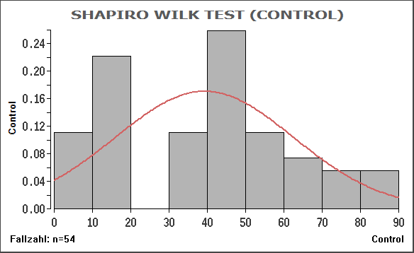
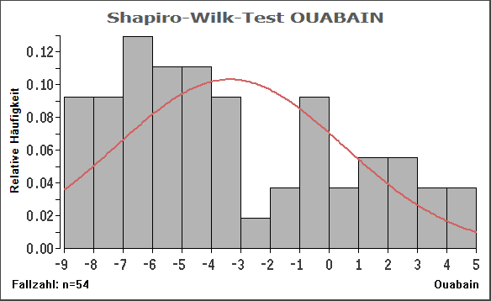
Day 7 | 52.932763809 | -3.2827943688
Day 7 | 48.539560166 | -4.4959394436
Day 10 | 54.382391972 | -6.8551001204
Day 10 | 66.482571655 | -6.8439746541
Day 10 | 63.334856538 | -6.8239484167
Day 10 | 70.247815975 | -6.9162900195
Day 10 | 78.784151426 | -7.2812501475
Day 10 | 78.789709682 | -4.5196282729
Day 10 | 81.687078097 | -5.9938973056
Day 10 | 80.780261235 | -7.0831995372
Day 10 | 81.849533913 | -6.1919572006
Day 14 | 58.028092301 | -8.6774467154
Day 14 | 53.455802172 | -8.6893965282
Day 14 | 44.288506907 | -8.2282258324
Day 14 | 44.208451244 | -8.2855746792
Day 14 | 38.498759589 | -7.8482915028
Day 14 | 48.554942217 | -7.7754133472
Day 14 | 46.353025512 | -8.4325305649
Day 14 | 40.098527468 | -7.9092241184
Day 14 | 40.018474297 | -5.4241558494

 |  |  |  | Stichprobenumfang n = 54 |  | Stichprobenumfang n = 54

 |  |  |  | Shapiro-Wilk's Prüfgröße W = 0.9264 ( p : approximativ wie Z(W)!! ) |  | Shapiro-Wilk's Prüfgröße W = 0.9151 ( p : approximativ wie Z(W)!! )
 |  |  |  | Royston's Prüfgröße Z(W) = 2.7573 ( p = 0.002914 approx. (n>= 7) ) |  | Royston's Prüfgröße Z(W) = 3.1733 ( p = 0.000754 approx. (n>= 7) )

Mult.Paarvergleich | Testgröße | df | p-unkorr. | p-Bonferroni

Day0Cont...Day0Ouab | 10.272 | 88 | 0 | 0 | Significant
Day0Cont...Day3Cont | 4.1849 | 88 | 0.000067 | 0.000335
Day0Cont...Day3Ouab | 15.5982 | 88 | 0 | 0
Day0Cont...Day5Cont | 4.1849 | 88 | 0.000067 | 0.000335
Day0Cont...Day5Ouab | 6.0871 | 88 | 0 | 0
Day0Cont...Day7Cont | 9.5111 | 88 | 0 | 0
Day0Cont...Day7Ouab | 17.1199 | 88 | 0 | 0
Day0Cont...Day10Con | 13.3155 | 88 | 0 | 0
Day0Cont...Day10Oua | 19.4026 | 88 | 0 | 0
Day0Cont...Day14Con | 7.2284 | 88 | 0 | 0
Day0Cont...Day14Oua | 23.207 | 88 | 0 | 0
Day0Ouab...Day3Cont | 14.4568 | 88 | 0 | 0
Day0Ouab...Day3Ouab | 5.3262 | 88 | 0.000001 | 0.000005
Day0Ouab...Day5Cont | 6.0871 | 88 | 0 | 0
Day0Ouab...Day5Ouab | 4.1849 | 88 | 0.000067 | 0.000335
Day0Ouab...Day7Cont | 19.783 | 88 | 0 | 0
Day0Ouab...Day7Ouab | 6.848 | 88 | 0 | 0
Day0Ouab...Day10Con | 23.5875 | 88 | 0 | 0
Day0Ouab...Day10Oua | 9.1306 | 88 | 0 | 0
Day0Ouab...Day14Con | 17.5004 | 88 | 0 | 0
Day0Ouab...Day14Oua | 12.9351 | 88 | 0 | 0
Day3Cont...Day3Ouab | 19.783 | 88 | 0 | 0 | Significant
Day3Cont...Day5Cont | 8.3697 | 88 | 0 | 0
Day3Cont...Day5Ouab | 10.272 | 88 | 0 | 0
Day3Cont...Day7Cont | 5.3262 | 88 | 0.000001 | 0.000005
Day3Cont...Day7Ouab | 21.3048 | 88 | 0 | 0
Day3Cont...Day10Con | 9.1306 | 88 | 0 | 0
Day3Cont...Day10Oua | 23.5875 | 88 | 0 | 0
Day3Cont...Day14Con | 3.0435 | 88 | 0.003083 | 0.015415
Day3Cont...Day14Oua | 27.3919 | 88 | 0 | 0
Day3Ouab...Day5Cont | 11.4133 | 88 | 0 | 0
Day3Ouab...Day5Ouab | 9.5111 | 88 | 0 | 0
Day3Ouab...Day7Cont | 25.1092 | 88 | 0 | 0
Day3Ouab...Day7Ouab | 1.5218 | 88 | 0.131652 | 0.65826
Day3Ouab...Day10Con | 28.9137 | 88 | 0 | 0
Day3Ouab...Day10Oua | 3.8044 | 88 | 0.000262 | 0.00131
Day3Ouab...Day14Con | 22.8266 | 88 | 0 | 0
Day3Ouab...Day14Oua | 7.6089 | 88 | 0 | 0
Day5Cont...Day5Ouab | 1.9022 | 88 | 0.060414 | 0.30207 | Nonsignificant
Day5Cont...Day7Cont | 13.6959 | 88 | 0 | 0
Day5Cont...Day7Ouab | 12.9351 | 88 | 0 | 0
Day5Cont...Day10Con | 17.5004 | 88 | 0 | 0
Day5Cont...Day10Oua | 15.2177 | 88 | 0 | 0
Day5Cont...Day14Con | 11.4133 | 88 | 0 | 0
Day5Cont...Day14Oua | 19.0221 | 88 | 0 | 0
Day5Ouab...Day7Cont | 15.5982 | 88 | 0 | 0
Day5Ouab...Day7Ouab | 11.0328 | 88 | 0 | 0
Day5Ouab...Day10Con | 19.4026 | 88 | 0 | 0
Day5Ouab...Day10Oua | 13.3155 | 88 | 0 | 0
Day5Ouab...Day14Con | 13.3155 | 88 | 0 | 0
Day5Ouab...Day14Oua | 17.1199 | 88 | 0 | 0
Day7Cont...Day7Ouab | 26.631 | 88 | 0 | 0 | Significant
Day7Cont...Day10Con | 3.8044 | 88 | 0.000262 | 0.00131
Day7Cont...Day10Oua | 28.9137 | 88 | 0 | 0
Day7Cont...Day14Con | 2.2827 | 88 | 0.024861 | 0.124305
Day7Cont...Day14Oua | 32.7181 | 88 | 0 | 0
Day7Ouab...Day10Con | 30.4354 | 88 | 0 | 0
Day7Ouab...Day10Oua | 2.2827 | 88 | 0.024861 | 0.124305
Day7Ouab...Day14Con | 24.3483 | 88 | 0 | 0
Day7Ouab...Day14Oua | 6.0871 | 88 | 0 | 0
Day10Con...Day10Oua | 32.7181 | 88 | 0 | 0 | Significant
Day10Con...Day14Con | 6.0871 | 88 | 0 | 0
Day10Con...Day14Oua | 36.5225 | 88 | 0 | 0
Day10Oua...Day14Con | 26.631 | 88 | 0 | 0
Day10Oua...Day14Oua | 3.8044 | 88 | 0.000262 | 0.00131
Day14Con...Day14Oua | 30.4354 | 88 | 0 | 0 | Significant

