Figure S1
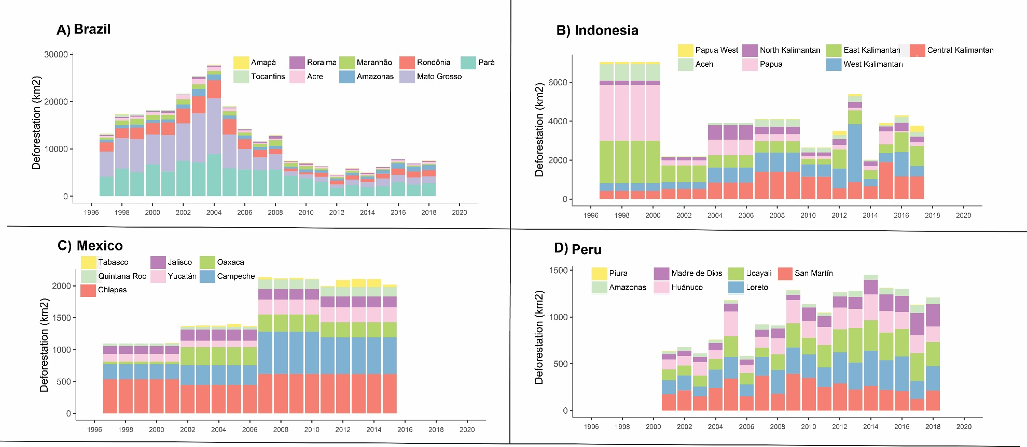
Figure S1. Annual deforestation by Rio Branco Declaration signatory jurisdiction in (A) Brazil (1997-2018), (B) Indonesia (1997-2017), (C) Mexico (1997-2015), and (D) Peru (2001-2018). See Supplementary Text S1 for data sources.

