TableS2
Table S2. Privileged substructures in DILI-positive (drug-induced cholestasis)
Structure | Ntox | Nno | Ftox | Fno | Bit | Daylight SMARTS
 | 13 | 3 | 2.258 | 0.293 | 1928 | [#6]F
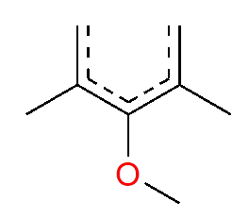 | 6 | 1 | 2.383 | 0.223 | 333 | [#6]-[#8]-c(:c(-[#6]):c):c(-[#6]):c
 | 5 | 0 | 2.78 | 0 | 680 | [#6]-[#6](-[#6])-[#6]-[#6](-[#6])-[#6]

TableS3
Table S3. Privileged substructures in DILI-positive (drug-induced cirrhosis)
Structure | Ntox | Nno | Ftox | Fno | Bit | Daylight SMARTS
 | 5 | 1 | 2.695 | 0.2413 | 1160 | c:c:c(:c:c)-c(:c):c
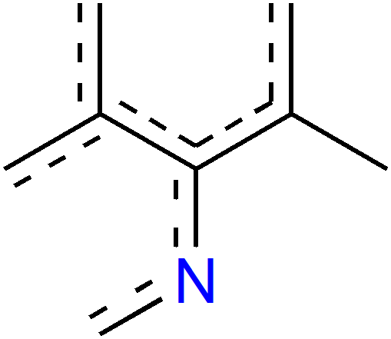 | 6 | 2 | 2.426 | 0.362 | 1724 | [#6]-c(:c):c(:n:c):c(:c):c
 | 4 | 0 | 2.587 | 0 | 407 | [#6]-[#6]-[#7](-[#6]-[#6])-[#6](-[#6])=[#6] or [#6]-[#6]-[#7](-[#6]-[#6])-c(:c):c

TableS4
Table S4. Privileged substructures in DILI-positive (drug-induced hepatitis)
Structure | Ntox | Nno | Ftox | Fno | Bit | Daylight SMARTS
 | 29 | 3 | 1.586 | 0.219 | 1928 | [#6]F
 | 24 | 6 | 1.4 | 0.467 | 1683 | [#6]Cl
 | 20 | 5 | 1.4 | 0.467 | 715 | [#6]-[#8-]
 | 18 | 1 | 1.658 | 0.123 | 1160 | c:c:c(:c:c)-c(:c):c
 | 18 | 3 | 1.5 | 0.333 | 310 | [#6]-[#6]-[#6]-1=[#6]-[#6]=[#6](-[#6])-[#6]=[#6]-1
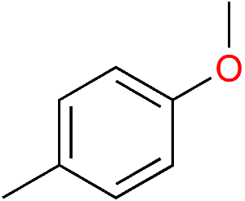 | 16 | 3 | 1.474 | 0.368 | 718 | [#6]-[#8]-[#6]-1=[#6]-[#6]=[#6](-[#6])-[#6]=[#6]-1
 | 11 | 0 | 1.75 | 0 | 680 | [#6]-[#6](-[#6])-[#6]-[#6](-[#6])-[#6]
 | 10 | 0 | 1.75 | 0 | 407 | [#6]-[#6]-[#7](-[#6]-[#6])-[#6](-[#6])=[#6] or [#6]-[#6]-[#7](-[#6]-[#6])-c(:c):c
 | 10 | 0 | 1.75 | 0 | 1164 | [#6]-c(:c):n:n:c

TableS7
Table S7. Privileged substructures in DILI-positive (drug metabolite-induced cirrhosis)
Structure | Ntox | Nno | Ftox | Fno | Bit | Daylight SMARTS
 | 18 | 3 | 2.445 | 0.22 | 675 | [#6]-[#16]-[#6]
 | 16 | 0 | 2.853 | 0 | 407 | [#6]-[#6]-[#7](-[#6]-[#6])-[#6](-[#6])=[#6] or [#6]-[#6]-[#7](-[#6]-[#6])-c(:c):c
 | 11 | 0 | 2.853 | 0 | 927 | c:c(:c)\[#7]=c(:\c):c
 | 10 | 1 | 2.594 | 0.14 | 74 | c:c(:c)\[#7]=c(:\c):c
 | 9 | 0 | 2.853 | 0 | 680 | [#6]-[#6](-[#6])-[#6]-[#6](-[#6])-[#6]
 | 9 | 1 | 2.568 | 0.154 | 1160 | c:c:c(:c:c)-c(:c):c
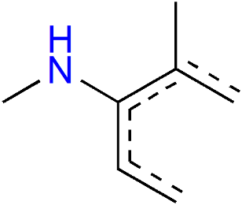 | 8 | 0 | 2.853 | 0 | 1982 | [#6]-[#7]-c(:c:c):c(-[#6]):c

TableS9
Table S9. Privileged substructures in DILI-positive (drug metabolite-induced steatosis)
Structure | Ntox | Nno | Ftox | Fno | Bit | Daylight SMARTS
 | 23 | 4 | 1.958 | 0.262 | 13 | [#6]-[#6]-[#6]-[#8]-[#6]
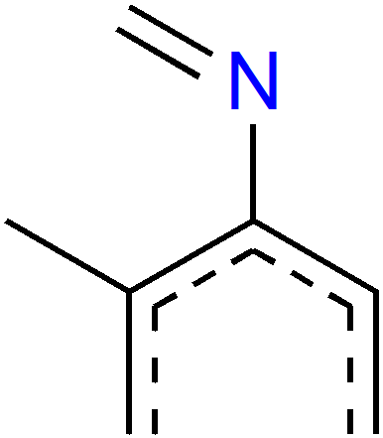 | 11 | 0 | 2.299 | 0 | 440 | [#6]-c(:c):c(:c:c)-[#7]=[#6]
 | 12 | 1 | 2.122 | 0.136 | 74 | c:c(:c)\[#7]=c(:\c):c
 | 16 | 0 | 2.299 | 0 | 407 | [#6]-[#6]-[#7](-[#6]-[#6])-[#6](-[#6])=[#6] or [#6]-[#6]-[#7](-[#6]-[#6])-c(:c):c
 | 11 | 0 | 2.299 | 0 | 680 | [#6]-[#6](-[#6])-[#6]-[#6](-[#6])-[#6]

